Cover Sheet
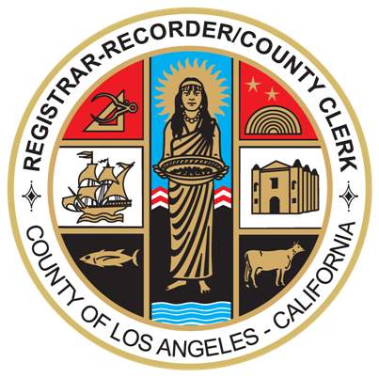

DEPARTMENT OF
REGISTRAR-RECORDER/COUNTY CLERK

REQUEST FOR PROPOSALS —
L.1 MAINTENANCE & SUPPORT REQUIREMENTS MATRIX RESPONSE TEMPLATE

FOR

ELECTION MANAGEMENT SYSTEM
IMPLEMENTATION AND SERVICES

RFP: #21-006

2021-08-16
---------------------------------------------------------------------------------
Prepared By
County of Los Angeles
Registrar-Recorder/County Clerk — Contracts Section Room 7211
12400 Imperial Highway Norwalk, CA 90650
www.lavote.net

